Sheet1
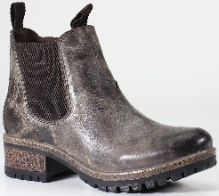
IMAGE | Brand | ITEM# | COLOR | SIZE | TOT PAIRS | MSRP | TTL MSRP
 | DIBA TRUE SAY SO | 65920 | CHARCOAL | 6 | 19 | $165.00 | $3,135.00
 | DIBA TRUE SAY SO | 65920 | CHARCOAL | 6.5 | 44 | $165.00 | $7,260.00
 | DIBA TRUE SAY SO | 65920 | CHARCOAL | 7 | 28 | $165.00 | $4,620.00
 | DIBA TRUE SAY SO | 65920 | CHARCOAL | 7.5 | 84 | $165.00 | $13,860.00
 | DIBA TRUE SAY SO | 65920 | CHARCOAL | 8 | 118 | $165.00 | $19,470.00
 | DIBA TRUE SAY SO | 65920 | CHARCOAL | 8.5 | 130 | $165.00 | $21,450.00
 | DIBA TRUE SAY SO | 65920 | CHARCOAL | 9 | 98 | $165.00 | $16,170.00
 | DIBA TRUE SAY SO | 65920 | CHARCOAL | 10 | 30 | $165.00 | $4,950.00
 | DIBA TRUE SAY SO | 65920 | CHARCOAL | 11 | 25 | $165.00 | $4,125.00
 | DIBA TRUE SAY SO | 65920 | CHARCOAL | 12 | 24 | $165.00 | $3,960.00
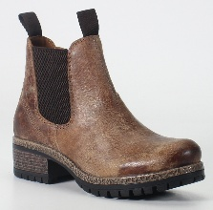
 | DIBA TRUE SAY SO | 65920 | TAN | 6 | 47 | $165.00 | $7,755.00
 | DIBA TRUE SAY SO | 65920 | TAN | 6.5 | 41 | $165.00 | $6,765.00
 | DIBA TRUE SAY SO | 65920 | TAN | 7 | 30 | $165.00 | $4,950.00
 | DIBA TRUE SAY SO | 65920 | TAN | 7.5 | 88 | $165.00 | $14,520.00
 | DIBA TRUE SAY SO | 65920 | TAN | 8 | 112 | $165.00 | $18,480.00
 | DIBA TRUE SAY SO | 65920 | TAN | 8.5 | 71 | $165.00 | $11,715.00
 | DIBA TRUE SAY SO | 65920 | TAN | 9 | 98 | $165.00 | $16,170.00
 | DIBA TRUE SAY SO | 65920 | TAN | 9.5 | 84 | $165.00 | $13,860.00
 | DIBA TRUE SAY SO | 65920 | TAN | 10 | 57 | $165.00 | $9,405.00
 | DIBA TRUE SAY SO | 65920 | TAN | 11 | 13 | $165.00 | $2,145.00
 | DIBA TRUE SAY SO | 65920 | TAN | 12 | 204 | $165.00 | $33,660.00

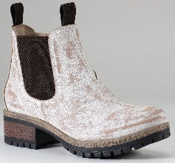
 | DIBA TRUE SAY SO | 65920 | WHITE | 6.5 | 1 | $165.00 | $165.00
 | DIBA TRUE SAY SO | 65920 | WHITE | 7.5 | 2 | $165.00 | $330.00
 | DIBA TRUE SAY SO | 65920 | WHITE | 8 | 12 | $165.00 | $1,980.00
 | DIBA TRUE SAY SO | 65920 | WHITE | 8.5 | 11 | $165.00 | $1,815.00
 | DIBA TRUE SAY SO | 65920 | WHITE | 9 | 13 | $165.00 | $2,145.00
 | DIBA TRUE SAY SO | 65920 | WHITE | 9.5 | 3 | $165.00 | $495.00
 | DIBA TRUE SAY SO | 65920 | WHITE | 10 | 7 | $165.00 | $1,155.00

 |  |  |  |  | 1494

